Linear CBS
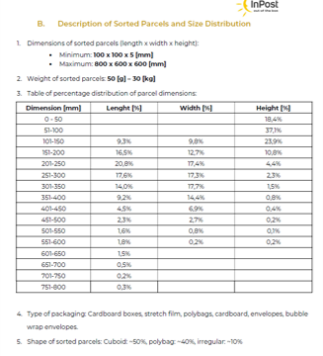
Specifications | CBS | Unit
Sorter Type | Loop CBS
Max Product Size (LxWxH) | 800x600x600 | mm
Min Product Size (LxWxH) | 100x100x5 | mm
Max Product Weight/Carrier | 30 | Kg
Min Product Weight | 50 | gm
Sorter Speed | 2.7 | m/s
Sorter Carrier Pitch | 0.6 | m
Belts/Hour | 16541 | BPH
Sorter Running Height | 1700 | mm
No. of Sliding Collection Chute | 104 | Nos.
No. of Rejection | 2 | Nos.
No. of Spiral Rejection Chute | 2 | Nos.
No. of Narrow Chutes | 10 | Nos.
Total number of Chutes | 118 | Nos.
Operator Working Height at Inducts | 800 | mm

 |  |  |  | Deration | 15%
TPH Calculation
Side Induct |  |  | Straight Induct
Specifications | CBS | Unit | Specifications | CBS | Unit
Single Belt Worth Shipments | 92 | % | Single Belt Worth Shipments | 80 | %
Dual Belt Worth Shipments | 8 | % | Dual Belt Worth Shipments | 20 | %
Feeding Capacity for Single | 16541 | PPH | Feeding Capacity for Single | 0 | PPH
Feeding Capacity for Single + Dual (Design) | 15287 | PPH | Feeding Capacity for Single + Dual (Design) | 0 | PPH
Feeding Capacity for Single + Dual (Operational) | 12994 | PPH | Feeding Capacity for Single + Dual (Operational) | 0 | PPH
Belt Required | 16541 | BPH | Belt Required | 0 | BPH
Belt Width(Induct) | 1000 | mm | Belt Width(Induct) | 800 | mm
Total Belt Required |  |  |  | 16541 | BPH
Total Operational TPH |  |  |  | 12994 | PPH
 |  |  | After chute Duplication | 25989 | PPH

